Bug report#1
Title: | Arrows are missed on the carousel banner
Preconditions: | Google Chrome Version 122.0.6261.70
Description: | As a user I wish to be able to move banners manually on the main banner carousel
Steps to reproduce: | Open the main page https://oxford-med.com.ua
 | Scroll down to the Banner carousel and look on the left and right side of the banner.
 | Pay attention to the banner navigation elements.
Actual result: | There are not any arrows on the left and right side of the banner.
Expected result: | There should be arrows on the left and the right side of the banner in order to move banners easily.
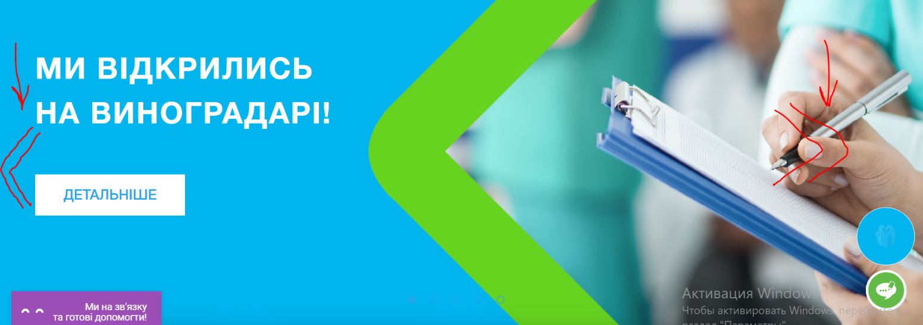
Attachment:

Bug report#2
Title: | The navigation elements are not visible on the Banner carousel
Preconditions: | Google Chrome Version 122.0.6261.70
Description: | The colour of navigation circles on the bottom of the Banner carousel is matching the colour of the background which makes them not visible to User.
Steps to reproduce: | Open the main page https://oxford-med.com.ua
 | Scroll down to the Banner carousel and look at the bottom of the banner.
 | Pay attention to the colour of navigation elements and background and compare them.
Actual result: | The colour of navigation circles on the bottom of the Banner carousel is matching the colour of the background.
Expected result: | The navigation elements should be easily visible on the banner and have different colour than the background.
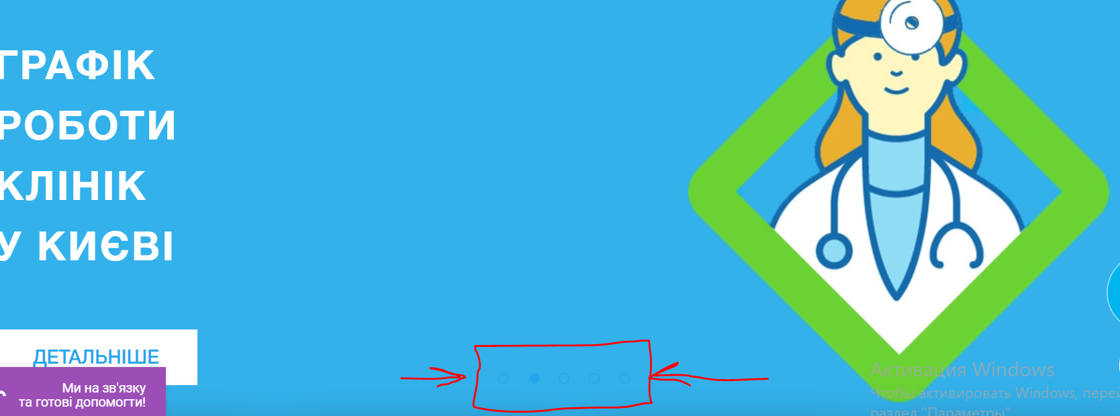
Attachment:

Bug report #4
Title: | The feedback button hides the menu links on the footer
Preconditions: | Microsoft Edge Version 122.0.2365.52
Description: | When you scroll down to the footer there will be the feedback button on the left side and it hides the menu links by default. When you want to see the menu links you need to click on the feedback button and then the button become smaller
Steps to reproduce: | Open the main page https://oxford-med.com.ua
 | Scroll down to the footer and look at the feedback button on the left side of the footer.
 | Pay attention to the size and location of the button in relation to the menu links.
Actual result: | The feedback button is too big and hides the part of menu categories on the footer.
Expected result: | The feedback button should be smaller or should be shifted to the left after scrolling down to the footer and the menu categories links must be visible.
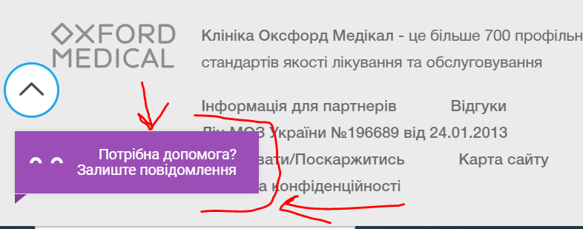
Attachment:

